Intro
Advanced Sustainability Assessment Tool (ASAT) v2
 | In the 21st century, we aspire to a society that is more socially just, economically inclusive, and environmentally restorative -- a society that is fit for the future. Companies enable the transition to a future-fit, sustainable, resilient society by creating financial, environmental, and social value while in no way undermining ― and ideally increasing ― the possibility that humans and other life will flourish on Earth forever. The Future-Fit Business Benchmark (FFBB) provides science-based goals for a business that aspires to that business model, so that both the company and society are fit for the future in the 21st century. This toolkit is based on the FFBB.
The FFBB is described in detail in its Methodology Guide, Implementation Guide, Positive Pursuit Guide and Break-Even goals' Action Guides. Use them as reference documents while completing this workbook, to clarify calculation formulas, terminology, and context for the Break-Even goals and Positive Pursuits. This workbook builds on formulas and calculation methodologies used in Future-Fit Progress Calculators created by the Future-Fit Foundation.1
FFBB Methodology Guide, Implementation Guide, Positive Pursuit Guide and break-even goals Action Guides.

The FFBB has two parts. * 23 Cause-No-Harm / Break-Even (BE) goals that every company must meet. The "Break-Even Goals" worksheet calculates scores on those goals. * 24 Do-Some-Good / Positive Pursuits that any company may choose to pursue. The "Positive Pursuits" worksheet captures impacts of those efforts.
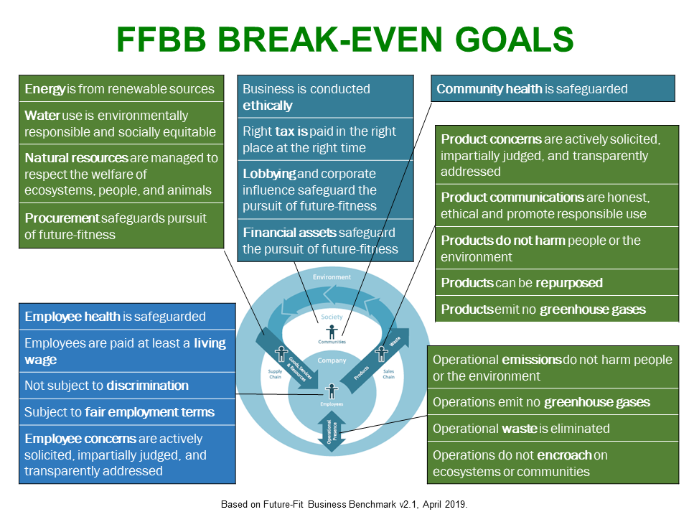
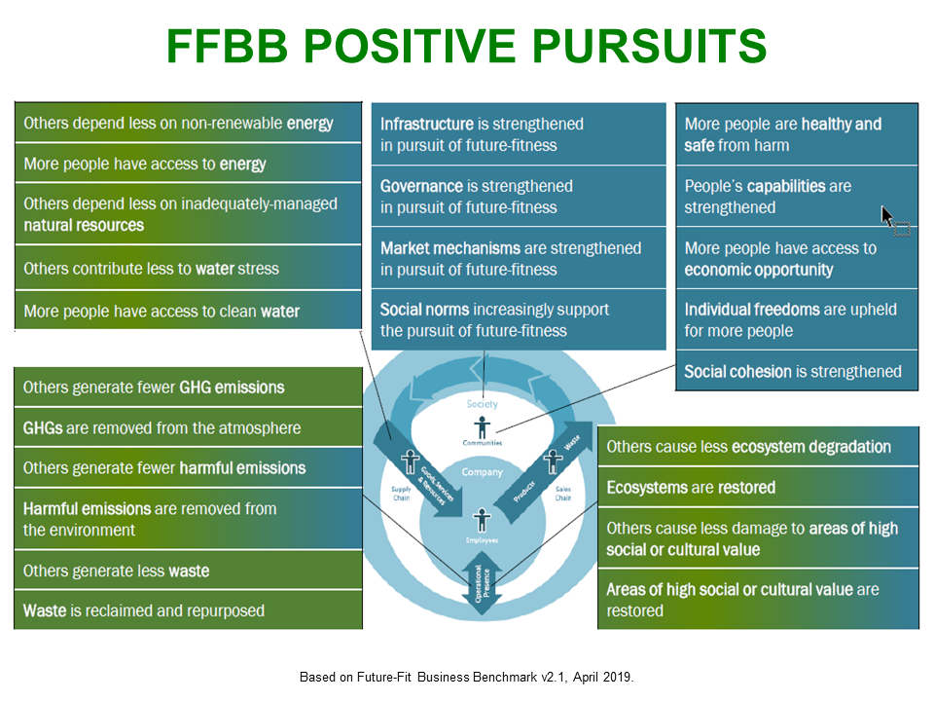

This Toolkit is based on Future-Fit Progress Calculators ("Calculators") created by the Future-Fit Foundation.
The Future-Fit Progress Calculator is at the bottom of this FFBB Resources webpage
The significant differences between this Toolkit and the Calculators are:
Consolidated calculation worksheets: The Calculators are in three separate workbooks: Main, Procurement and Financial Assets. This Toolkit consolidates the 21 worksheets in the Main calculator, the 9 worksheets in the Procurement calculator and the 9 worksheets in the Financial Assets calculator – 39 worksheets in all – into one comprehensive (humungous?) "FFBB Break-Even Goals" worksheet. Plus, the top of that worksheet provides an equivalent of the Fitness Summary worksheet in the Main Calculator. Thank goodness for Excel's group hide / unhide capability. 😊
Consolidated company information worksheets: The "Company Info" worksheet in this Toolkit provides information that is captured in separate Site Information, Employee Information and Product Information worksheets in the Calculators. Also, the sample data in the Calculators builds on the example of the lemonade company that is used to illustrate the formulas in the Action Guides. The sample data in this Toolkit is for a different kind of company.
Starter set of five line items: The formulas in the Calculators allow for up to 100+ products, employee groups or company sites, which is why there is a separate Calculator worksheet for each BExx goal. This Toolkit starts with five (5) of each, with the capability for users to add more, if necessary. Of course, another option for companies that have more products, employee groups or company sites is to use the FFBB Calculators instead of this Toolkit.
No "Relevance" criteria: Each Break-Even Goal tab in the Calculators includes a Relevance column which asks users to state whether specific sites, employees or products are to be included within the fitness assessment or whether they should be excluded because they are not relevant, there is insufficient data, or for some other reason. The BExx calculations in this Toolkit does not contain a Relevance factor -- all line items are considered to be relevant and are included, and all calculation formulas have been appropriately simplified. If a line item is not relevant, it should be omitted or if there is incomplete data for it, estimate it and add a note in the Comments column beside it.
No conditional formatting: To avoid any potential confusion arising from examples used in the workbook, no conditional formatting is used in this Toolkit.
Governance: This toolkit assesses company governance against 10 ESG governance best practices and five criteria for sustainable business models. The Calculators do not assess governance explicitly.
Positive Pursuits template: The "FFBB Positive Pursuits" worksheet in this Toolkit provides a template for succinct, quantified descriptions of a company’s Positive Pursuits. The Calculators does not include a Positive Pursuits template, yet.

Intended users This tool is intended for use by large, multi-location, multi-national corporations with sustainability professionals on staff. The "Quick vs Advanced Sustainability Assessment Tools" worksheet compares the approach used in this toolkit with the approach used in "Quick Sustainability Assessment Tool" which is intended for use by small- and medium-sized enterprises (SMEs) and large companies with minimal / no sustainability staff. Both toolkits assess core sustainability / ESG (environmental, social, governance) issues, but use different assessment approaches.
Comparison of Quick vs Advanced Sustainability Assessment Tools
Overview This toolkit is the "Rosetta Stone" for the hieroglyphics of various sustainability frameworks and assessment tools. First, it assesses company performance on core sustainability issues, as identified by a comparison2 of a dozen sustainability planning, assessment, reporting and ranking frameworks. Then, it maps those ESG scores to related Sustainable Development Goals (SDGs) and Integrated Reporting (IR) capitals. So, it contains three sustainability assessment tools. 1. A 2-part generic ESG assessment tool composed of "Break-Even Scores" and "Positive Pursuits" worksheets 2. An "SDGs Scores" tool ... maps the ESG Scores to related SDGs 3. A "Capitals Scores" tool ... maps the ESG Scores to related non-financial capitals This is the super-set of advanced sustainability assessment tools. Users can choose whichever parts align best with their company's preferred sustainability framework, weight or tailor its factors to suit their purposes and include any elements from the Quick Sustainability Assessment Tool, or other assessment tools, that might be helpful. For example, if company stakeholders are more interested in company performance on core ESG issues rather than framing than performance as company contributions to the SDGs or company impacts on non-financial capitals, they can delete those worksheets.

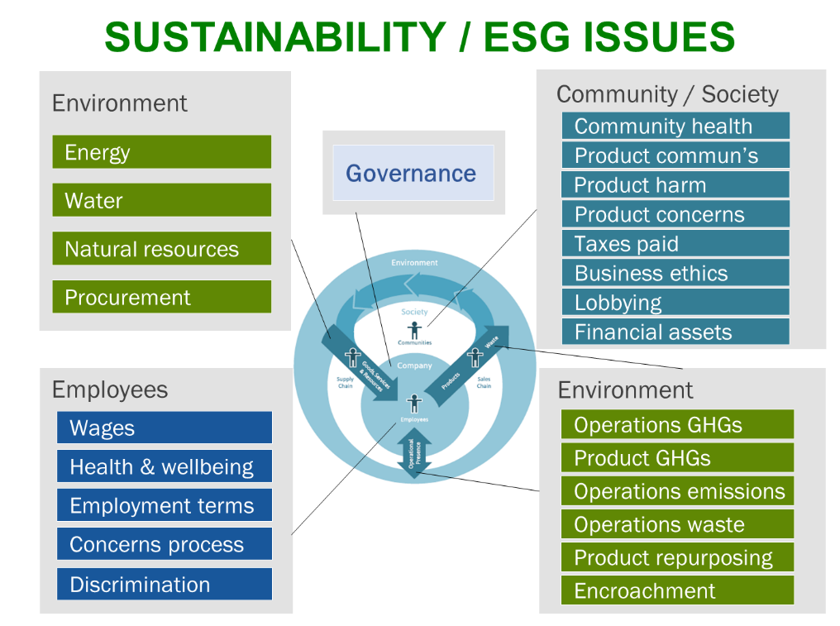
ESG Scores tool: "Break-Even Scores" and "Positive Pursuits" "ESG" (environmental, social, governance) is used as a shorthand synonym for "sustainability." The ESG scores worksheets assess company "Positive Pursuits" ‒ and negative "Break-Even" ‒ impacts on the environment, employee and communities / society. The adjacent figure shows where these sustainability issues arise in a typical company's business model. The centerpiece business model graphic shows the company nested in society, which is nested in the environment, and shows flows between those two nests and the company. The figure identifies the 23 environmental, employee and community / societal issues that arise from the company's impacts on its stakeholders at various touch points. Use this tool to self-assess company scores on all core sustainability issues and on governance. Users can then choose which to disclose or report to stakeholders.

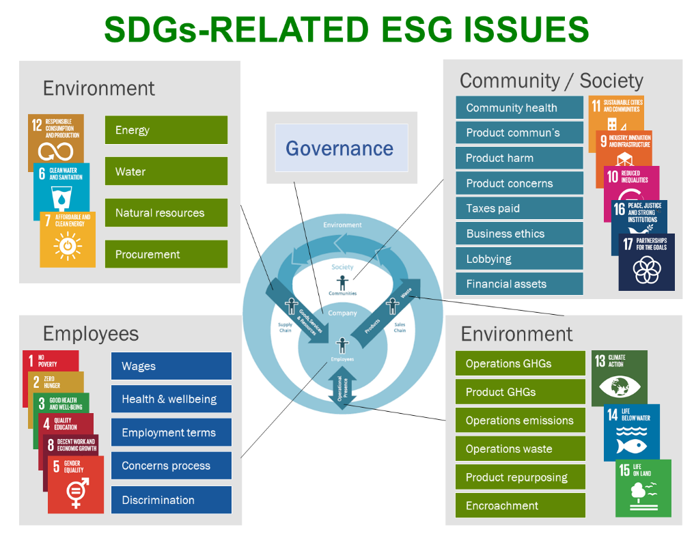
"SDGs Scores" tool The 17 Sustainable Development Goals (SDGs), also known as the Global Goals and Agenda 2030, are a universal call to action to end poverty, protect the planet and ensure that all people enjoy peace and prosperity by 2030. There are 169 targets and 230 indicators associated with the 17 SDGs. However, the goals, targets and indicators are better suited to governments -- federal, provincial / state and municipal -- than to companies. We assess company performance on all ESG issues and on all SDGs. They are all covered. So we can confidently divide the SDGs into three environmental, social and employee groups, which conveniently correspond to the three main groups of sustainability issues, knowing that the company will get credit for all its direct and indirect contributions to the SDGs. The "SDG Scores" worksheet maps ESG scores (see above) to their most directly-related SDGs within each group, to generate scores on the SDGs. That is, it uses the "Break-Even Scores" on business-relevant sustainability indicators as proxies for company scores on the most directly-impacted SDGs and allows for inclusion of any "Positive Pursuits."

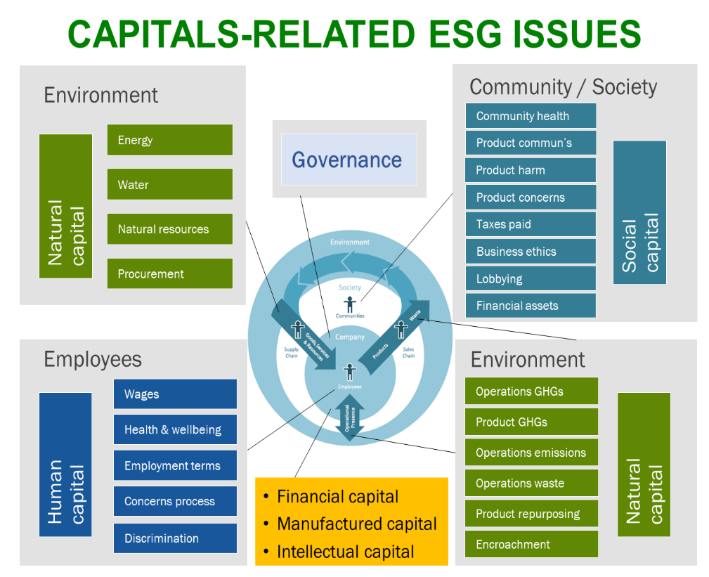
 | "SDGs Scores" tool The 17 Sustainable Development Goals (SDGs), also known as the Global Goals and Agenda 2030, are a universal call to action to end poverty, protect the planet and ensure that all people enjoy peace and prosperity by 2030. There are 169 targets and 230 indicators associated with the 17 SDGs. However, the goals, targets and indicators are better suited to governments -- federal, provincial / state and municipal -- than to companies. We assess company performance on all ESG issues and on all SDGs. They are all covered. So we can confidently divide the SDGs into three environmental, social and employee groups which conveniently correspond to the three main groups of sustainability issues, knowing that the company will get credit for all its direct and indirect contributions to the SDGs. The "SDG Scores" worksheet maps ESG scores to their most directly-related SDGs, to generate scores on the SDGs. That is, it uses the "Break-Even Scores" on business-relevant sustainability indicators as proxies for company scores on the most directly-impacted SDGs and allows for inclusion of any "Positive Pursuits."+C47
"Capitals Scores" tool Integrated Reporting <IR> encourages a company to assess how it impacted six capitals over the reporting period: natural, human, social, financial, manufactured and intellectual capitals. It is relatively straightforward to assess and monetize financial, manufactured and intellectual capitals to determine how much value the company added to, or subtracted from, each. However, assessing a company's impact on natural, human and social capitals has been more challenging ... until now. The "Capital Scores" worksheet maps ESG scores to their most closely-related natural, human and social capitals to generate scores on the three non-financial capitals. That is, it uses the "Break-Even Scores" on business-relevant sustainability indicators as proxies for how close the company is to not devaluing / doing harm to the three capitals, and includes "Positive Pursuits" that add value to those capitals.

Legend used in the worksheets
White fields are used for instructions, explanations, or labels for adjacent fields
Yellow fields are for user input. Starting values are just examples to illustrate how the formulas work. Overwrite them with real company data.
Light purple fields are auto-calculated or auto-filled with the content of other fields. Any user entries in these cells will overwrite their formulas.

Footnotes
1 | This toolkit is based on the Future-Fit Progress Calculator - Main - R2.1.4, the Future-Fit Progress Calculator - Financial Assets - R2.1.4 and the Future-Fit Progress Calculator - Procurement - R2.1.4 available at the Future-Fit Business download page at https://futurefitbusiness.org/resources/. To make it as easy as possible for users to use and build on the calculators, they are published under a Creative Commons-Attribution Sharealike 4.0 International license. This means that users are free to Share (copy and redistribute the material in any medium or format) and Adapt (remix, transform, and build upon) the material for any purpose, even commercially. The same license applies to this toolkit.
2 | Comparison of Sustainability Frameworks

Terms of Use This tool was developed by Bob Willard / Sustainability Advantage. It is freely available from the sustainabilityadvantage.com website. The tool is published under a Creative Commons-Attribution ShareAlike 4.0 International license. That is, users are free to share (copy and redistribute the material in any medium or format) and adapt (remix, transform, and build upon) the material for any purpose, even commercially, with appropriate attribution. Use of the tool is at the user's own risk. Sustainability Advantage shall accept no liability in respect of any business, lending, or investment decisions which users choose to base in whole or in part on the use of this tool or its output. Feedback: The tool is being continuously improved. Your suggestions are welcome. Please send your ideas to the email below. Thanks.
bobwillard@sustainabilityadvantage.com

Break-Even Scores
Break-Even Scores on sustainability goals that every company must meet, based on best-available science
This worksheet assesses a company's progress on the 23 Future-Fit Business Benchmark (FFBB) science-based, necessary, cause-no-harm / Break-Even (BE) goals, on a consistent fitness scale of 0-100%. Use the FFBB Methodology Guide, Implementation Guide and Action Guides as reference documents while working with the BE goals in this worksheet, to clarify calculation formulas, terminology, and context. |  |  |  |  |  | FFBB Methodology Guide, Implementation Guide and Action Guides

Progress on Governance
Summary of company performance on Break-Even Goals, organized around company business model flows as shown in the figure on the Intro worksheet. The detailed calculations are in the collapsed groups of rows below.
Governance
 | Governance | 55%

Progress on Inputs not harming the Environment
Break-even goals related to impacts on the environment from company inputs
 | Renewable energy | 11%
 | Water | 78%
 | Natural resources | 100%
 | Procurement | 58%
 |  | 62%
Progress on Operations not harming the Environment
Break-even goals related to impacts on the environment from company operations
 | Operations emissions | 63%
 | Operations GHGs | 30%
 | Operations waste | 45%
 | Encroachment | 35%
 |  | 43%
Progress on Products not harming the Environment
Break-even goals related to impacts on the environment from product usage and end-of-life disposition.
 | Product GHGs | 69%
 | Repurposing | 74%
 |  | 72%
Progress on not harming Employees
Break-even goals related to impacts on employees / workers
 | Employee health | 36%
 | Employee wages | 70%
 | Employment terms | 51%
 | Discrimination | 12%
 | Employee concerns | 88%
 |  | 51%
Progress on not harming Communities
Break-even goals related to impacts on communities
 | Community health | 75%
 | Product communications | 42%
 | Product concerns | 77%
 | Product harm | 35%
 | Ethics | 88%
 | Right taxes | 65%
 | Lobbying | 50%
 | Financial assets | 59%
 |  | 61%

If you are interested in how these scores can be integrated into a dashboard that provides a decision-ready overview of company financial and non-financial performance, these free, open-source Business Model and Dashboard Templates may be helpful: |  |  |  |  |  |  | Business Model and Dashboard Templates

User Guidance
* Click the + sign to the extreme left of the row number beside each goal to unhide / reveal its groups of calculation rows. Click the ‒ sign to hide / collapse them again. * Starting values / text in yellow cells are just examples to illustrate how the formulas work. Overwrite sample yellow values with real company data or with other selections from drop-down menus. * Some light purple cells are auto-populated from the Company Info worksheet. If more locations or products were added to the Company Info worksheet, ensure that corresponding parts of the FFBB Break-Even Goals that use that information have been appropriately adjusted to accommodate the additional line items. See the Company Info worksheet for how to add those additional rows. * Other light purple cells have numerical values that are auto-calculated based on values in their associated cells. Any user entries in these cells will overwrite their formulas. * Choose units and a currency that are appropriate for your situation and adjust descriptors accordingly.

Governance |  |  |  |  |  | Overall score | 55%
Business Model A business model is a visual representation / graphic / canvas of what the company does to generate enough revenue to fulfill its purpose. An example is used as the centerpiece graphic in the figures on the Intro page. Another variation is included in the Business Model and Dashboard Templates tool available at the adjacent link. The attributes of a sustainable, 21st century business model are listed below. Check all that your business model satisfies. |  |  |  |  |  | Business Model and Dashboard Templates
 | Shows traditional flows: It shows the overall input‒process‒output flow between the environment, suppliers, the business, customers and society.
 | Shows the nested interdependencies: It makes visible that the company is nested in society, which is nested in the environment on a finite planet.
 | Shows stakeholder impact points: It makes visible where the business impacts stakeholders, including the environment and society, to facilitate tracking, managing and reporting of non-financial performance / stakeholder impacts.
 | Shows how the company creates value: It provides context for how the company delivers value to stakeholders, while not undermining their wellbeing.
 | Can accommodate new risks: If desired, it can show new 21st century environmental and social risks that the company may need to mitigate and include in its risk management process.
 | Can accommodate reputation, savings and income flows: If desired, it can show sources of value that flow back into the business.
83% | Score

BE01 Energy is from renewable sources |  |  |  |  |  | Overall energy fitness score (weighted by energy used) | 11%

BE02 Water use is environmentally responsible and socially equitable |  |  |  | Consumption fitness | 89% | Overall water fitness score (weighted by water used) | 78%
 |  |  |  | Discharge fitness | 67%

BE03 Natural resources are managed to respect the welfare of ecosystems, people and animals |  |  |  |  |  | Overall Fitness Score (weighted by value) | 100%

BE04 Procurement safeguards the pursuit of future-fitness |  |  |  |  |  | Overall Fitness Score (average hotspot fitness) | 58%

BE05 Operational emissions do not harm people or the environment |  |  |  | Gaseous emissions | 70% | Overall Fitness Score (emissions-type weight weighted) | 63%
 |  |  |  | Liquid emissions | 68%
 |  |  |  | Solid emissions | 40%

BE06 Operations emit no greenhouse gases |  |  |  |  |  | Overall Fitness Score (GHG-weight weighted) | 30%

BE07 Operational waste is eliminated |  |  |  |  |  | Overall Fitness Score (waste-weight weighted) | 45%

BE08 Operations do not encroach on ecosystems or communities |  |  |  |  |  | Overall Fitness Score (area weighted) | 35%

BE18 Products emit no greenhouse gases |  |  |  |  |  | Overall Fitness Score (revenue weighted) | 69%

BE19 Products can be repurposed |  |  | Sold or leased goods |  | 71% | Overall Fitness Score (revenue weighted) | 74%
 |  |  | Supplementary materials |  | 99%
 |  |  | Materials used to deliver products |  | 100%

BE10 Employee health is safeguarded |  |  |  |  |  | Overall Fitness Score (employee # weighted) | 36%

BE11 Employees are paid at least a living wage |  |  |  |  |  | Overall Fitness Score (employee # weighted) | 70%

BE12 Employees are subject to fair employment terms |  |  |  |  |  | Overall Fitness Score (employee # weighted) | 51%

BE13 Employees are not subject to discrimination |  |  |  |  |  | Overall Fitness Score (employee # weighted) | 12%

BE14 Employee concerns are actively solicited, impartially judged and transparently addressed |  |  |  |  |  | Overall Fitness Score (employee # weighted) | 88%

BE09 Community health is safeguarded |  |  |  |  |  | Overall Fitness Score (average fitness) | 75%

BE15 Product communications are honest, ethical, and promote responsible use |  |  |  |  |  | Overall Fitness Score (revenue weighted) | 42%

BE16 Product concerns are actively solicited, impartially judged and transparently addressed |  |  |  |  |  | Overall Fitness Score (revenue weighted) | 77%

BE17 Products do not harm people or the environment |  |  | Use phase fitness |  | 8% | Overall Fitness Score | 35%
 |  |  | After life phase fitness |  | 62%

BE20 Business is conducted ethically |  |  |  |  |  | Overall Fitness Score (employee # weighted) | 88%

BE21 The right tax is paid in the right place at the right time |  |  |  |  |  | Overall Fitness Score | 65%

BE22 Lobbying and corporate influence safeguard the pursuit of future-fitness |  |  |  |  |  | Overall Fitness Score | 50%

BE23 Financial assets safeguard the pursuit of future-fitness |  |  |  |  |  | Overall Fitness Score (average hotspot fitness) | 59%

Legend
White fields are used for instructions, explanations, or labels for adjacent fields
Yellow fields are for user input. Starting values are just examples to illustrate how the formulas work. Overwrite them with real company data.
Light purple fields are auto-calculated based on the content of other fields. Any user entries in these cells will overwrite their formulas.

Positive Pursuits
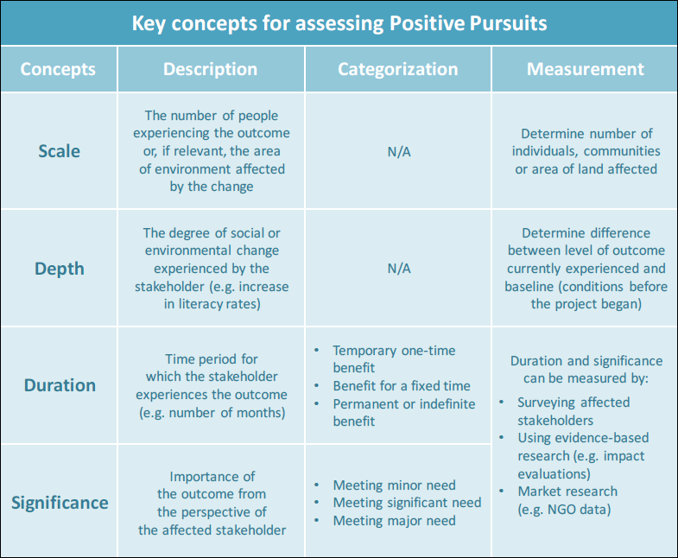
Assessment of Performance on Positive Pursuits that every company may pursue, in order to restore nature and improve the well-being of people.
This worksheet assesses a company's progress on the Future-Fit Business Benchmark (FFBB) 24 optional Do-Some-Good / Positive Pursuits. The Positive Pursuits are described in detail in the Positive Pursuit Action Guide. Use it as a reference document while completing this worksheet, to clarify terminology and context. |  |  |  |  |  |  | FFBB Positive Pursuit Action Guide
The assessment of a project’s positive results is organized around four levels, in increasing order of significance: input, output, outcome and impact. A company can choose which of the four levels of assessment (or a combination thereof) to report on for any given project, depending on its characteristics and progress.

Four key concepts / dimensions / factors – scale, depth, duration and significance – frame the extent of a project’s impacts, whether intended or realized. Assess each positive pursuit against the four concepts / dimensions / factors by considering what would have happened in the absence of the company’s intervention.

Company performance on 24 Do-Some-Good / Positive Pursuits
* Any company may have none or just a few Positive Pursuits. Rows for unused Positive Pursuits can be left in as blank reminders of areas that the company may want to pursue later. * If multiple projects or products are used to generate a particular positive result, add additional lines for them above the summary statement. * If a single project accomplishes multiple types of positive pursuits, create separate entries for each. * Use comments to describe evidence used to verify the impacts, or to reference a more detailed write-up for the project. * Any starting descriptors in yellow cells are just examples to illustrate the concepts / factors to include in the write-up. Overwrite them with information about the company product, program or project.

Positive Pursuit | Name of Product, Project or Program | Level (Input, Output, Outcome, Impact) | Scale | Depth | Duration | Significance | Location | Trade-offs | Comments (free form)
FFBB Positive Pursuits related to impacts on the environment from company inputs
PP01: Others depend less on non-renewable energy
Impact summary statement
PP02: More people have access to energy
Impact summary statement
PP03: Others contribute less to water stress
Impact summary statement
PP04: More people have access to clean water
Impact summary statement
PP05: Others depend less on inadequately-managed natural resources
Impact summary statement
FFBB Positive Pursuits related to impacts on the environment from company operations
PP06: Others generate fewer greenhouse gas emissions
Impact summary statement
PP07: Greenhouse gases are removed from the atmosphere
...

